Sheet1
Question : Distance Valules |  |  | Result |  |  |  |  |  |  | A | B | C | D | E
From | TO | Distance |  | A | B | C | D | E | A | 0 | 56 | 73 | 88 | 84
A | B | 56 | A | 0 | 56 | 73 | 88 | 84 | B | 56 | 0 | 41 | 10 | 44
A | C | 73 | B | 56 | 0 | 41 | 10 | 44 | C | 73 | 41 | 0 | 28 | 65
B | C | 41 | C | 73 | 41 | 0 | 28 | 65 | D | 88 | 10 | 28 | 0 | 54
C | D | 28 | D | 88 | 10 | 28 | 0 | 54 | E | 84 | 44 | 65 | 54 | 0
C | E | 65 | E | 84 | 44 | 65 | 54 | 0
Challenge 31: From-To Matrix
In the question table, the distances between various cities are provided. We aim to create a symmetrical From/To matrix of distances, similar to the one in the highlighted cell.
D | B | 10
D | E | 54 |  |  |  |  |  |  | TRUE
D | A | 88
E | B | 44
E | A | 84

Table1
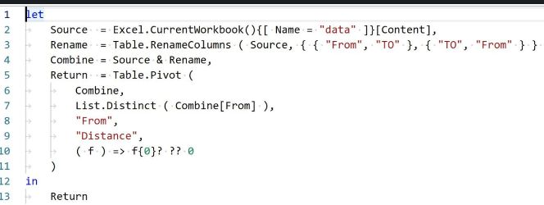
TO | A | B | C | D | E
A | 0 | 56 | 73 | 88 | 84
B | 56 | 0 | 41 | 10 | 44
C | 73 | 41 | 0 | 28 | 65
D | 88 | 10 | 28 | 0 | 54
E | 84 | 44 | 65 | 54 | 0

